1. Title Page
Instacart Grocery Basket Analysis 2025

Project Name: Instacart Grocery Basket Analysis
Date: 15/01/2025
Analyst Name: Sofiya Kazeka

Contents:
Population Flow
Consistency checks
Wrangling steps
Column derivations
Visualizations
Recommendations

Data Source: “The Instacart Online Grocery Shopping Dataset 2017”, Accessed from www.instacart.com/datasets/grocery-shopping-2017 via Kaggle on 15/12/2024.
The customer data as well as the “prices” column in the products data set, were both fabricated for the purpose of this course

2. Population Flow
Title page

Population flow

Exclusion flag
Condition: max_order < 5
Obervations to be removed: 1440295
Final total count of order_products_all: 30964564

Orders_products_combined
Orders_products_merged
Orders_products_all

Total: 32404859
Total: 32434489
Total: 32404859

1.) The grey boxes in the first row of the population flow represent the original data sets as they were when you downloaded them. In the Total fields you need to add the count of the rows when you imported the data set into Jupyter.
2.) The second row of boxes (coloured) represents the data sets after you manipulated them, e.g., removed missing values and duplicates. In the Total fields you need to add the count of the rows after conducting these operations. This offers a visual oveview of how the data flows throughout the data consistency checks.
3.) The third row, where also the arrows are coloured, represents the merges you performed between the datasets. In the Total fields you need to add the count of the rows in the merged datasets, so that you end up with the final dataset (in the red box). Keep in mind the final dataset should be without exclusions (based on the exclusion flag).

3. Consistency checks
 |  |  |  | Title page
Consistency checks

Dataset | Missing values | Missing values treatment | Duplicates
orders | cloumn ['days_since_last_order']- 206209 missing values | keep as is as itś representing the first order. | No duplicates found
products | Column ['product_name'] - 16 missing values | removed | 5 dulplicates were removed
orders_products_prior | No missing values | N/a | No Duplicates
customers | No missing values | N/a | No Duplicates

4. Wrangling steps
 |  |  |  |  | Title page
Wrangling steps

Data Set | Columns dropped | Columns renamed | Columns' type changed | Comment/Reason
orders.csv | ['eval_set'] |  |  | not relevant
 |  | order_dow ' ---> 'orders_day_of_week' |  | for better readability
 |  |  | 'user_id' | changed from numerical to string
 |  |  | order_id' | changed from numerical to string
 |  | order_hour_of_day'-->'order_time' |  | for better readability
customers.csv |  | Surnam' : 'Surname' |  | for better readability
 |  | n_dependants': 'number_of_dependants' |  | for better readability
 |  | fam_status' :'Family_status' |  | for better readability
 |  |  | 'user_id' | changed from numerical to string
 |  |  | First Name | unified data type to strting
 |  |  | date_joined | updated from object to datetime64[ns]
df_ords_prods_merge | Unnamed:0_x','_merge','merge_2','Unnamed:0_y' |  |  | were not required for further analysis
 |  |  | 'user_id' | changed from numerical to string
df_cust_merge | First Name', 'Surname' |  |  | dropped columns with sensitive info
 | _merge' |  |  | not relevant
departments_wrangled |  | Unnamed: 0': 'department_id' |  | renamed for merging

Updated the below data types to optimize memory usage.
# | Convert | integer | columns
df_ords_prods_merge['order_id'] | = | df_ords_prods_merge['order_id'].astype('int32')
df_ords_prods_merge['user_id'] | = | df_ords_prods_merge['user_id'].astype('int32')
df_ords_prods_merge['order_number'] | = | df_ords_prods_merge['order_number'].astype('int32')
df_ords_prods_merge['orders_day_of_week'] | = | df_ords_prods_merge['orders_day_of_week'].astype('int8')
df_ords_prods_merge['order_time'] | = | df_ords_prods_merge['order_time'].astype('int8')
df_ords_prods_merge['product_id'] | = | df_ords_prods_merge['product_id'].astype('int32')
df_ords_prods_merge['add_to_cart_order'] | = | df_ords_prods_merge['add_to_cart_order'].astype('int32')
df_ords_prods_merge['reordered'] | = | df_ords_prods_merge['reordered'].astype('int32')
df_ords_prods_merge['aisle_id'] | = | df_ords_prods_merge['aisle_id'].astype('int32')
df_ords_prods_merge['department_id'] | = | df_ords_prods_merge['department_id'].astype('int32')

# | Convert | float | columns
df_ords_prods_merge['days_since_prior_order'] | = | df_ords_prods_merge['days_since_prior_order'].astype('float32')
df_ords_prods_merge['prices'] | = | df_ords_prods_merge['prices'].astype('float32')

5. Column derivations
 |  |  |  | Title page

Column derivations and aggregations

In this tab you should add tables below that the frequences of flags/label variables that you produced after deriving them. NB: don't do this for continuous variables, only for flags.
Dataset | New column | Column/s it was derived from | Conditions
orders | ['new_customer'] | days_since_prior_order' | if value is missing --> new customer
ords_prods_merge | 'price_range_loc' | prices | if value> 15 --> 'High-range product',value <= 15 & value > 5-->'Mid-range product' ,value<= 5, --> 'Low-range product',
ords_prods_merge | 'busiest_day' | orders_day_of_week | "Regularly busy" unless value includes 0, 1 -->"Busiest day", or value includes 3, 4--> "Least busy"
ords_prods_merge | busiest_period_of_day' | order_time' | # Create a new column 'busiest_period_of_day' with default value 'Average orders', unless 'order_timeincludes 10, 11,14,15,13,12,16,9,17-->'busiest_period_of_day'] = 'Most orders',or value includes 3,4,2,5,1,0,6--> 'Fewest orders'
ords_prods_merge | loyalty_flag | max_order | if 'max_order > 40--> 'Loyal customer',value <= 40) & > 10--> 'Regular customer',value <= 10--> 'New customer'
ords_prods_merge | spending_flag | mean_spend | if value > 10 then 'low spender' if value >= 10 then 'high spender'
ords_prods_merge | frequency_flag | median_days | if value < 20 then 'non_frequent_customer' if value <= 20 & > 10 then 'regular customer' if value > 10 then 'frequent customer'
df_cust_merge_1 | Region | STATE | Region defined according to the following list: https://simple.wikipedia.org/wiki/List_of_regions_of_the_United_States
df_cust_merge_1 | 'exclusion_flag' | max_order | if value < 5 then 'low-activity customer'--- not relevant for further analysis
filtered_df | 'profile' | age, number of dependants | Single Young Adult: Age ≤ 30, no children. Young Parent: Age ≤ 30, with children. Mature Family: Age 31-60, with children. Senior with Dependents: Age > 60, with children. Senior without Dependents: Age > 60, no children. Mature Single Adult: Age 31-60, no children.
filtered_df | income_level | income | Low Income: Income ≤ $50,000 Medium Income: Income between $50,001 and $100,000 High Income: Income > $100,000

6. Visualizations
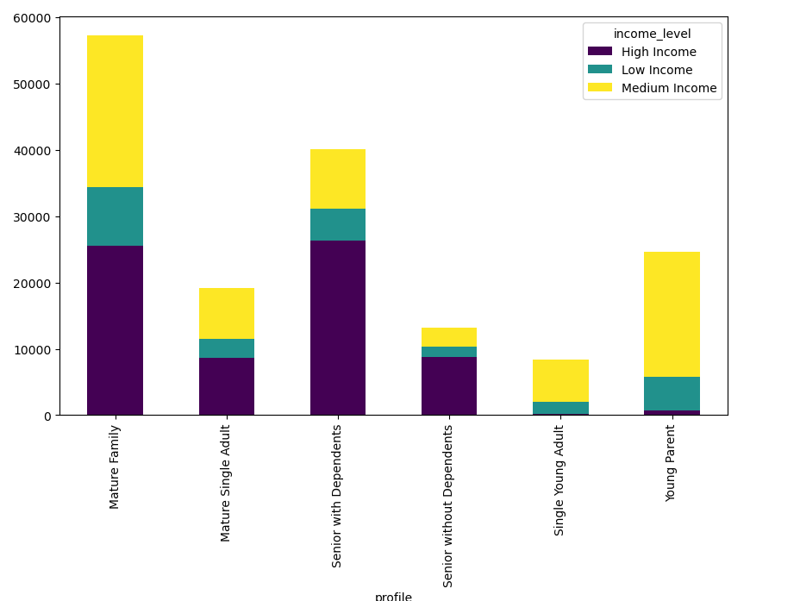
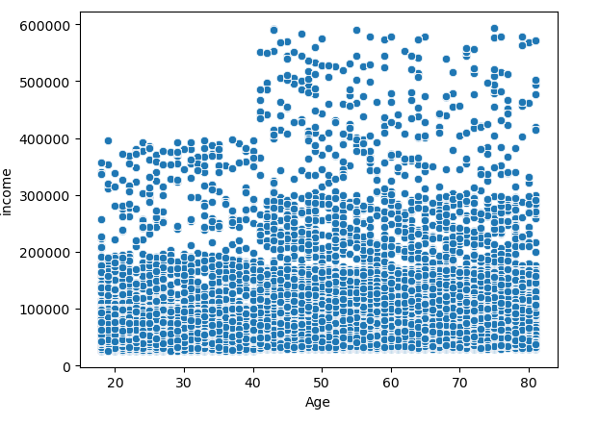
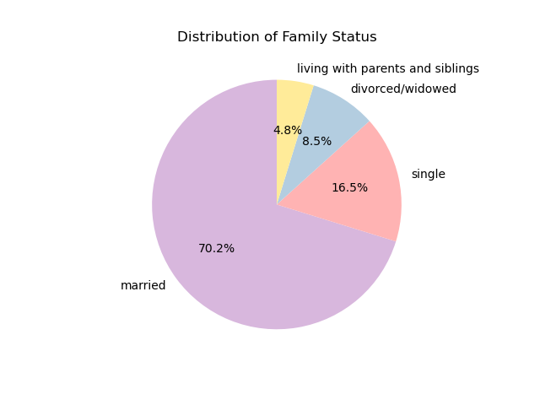
 |  |  |  |  | Title page

Visualisations

In this tab you should include all the visualtions from Exercises 4.9 and 4.10, alongside the questions from the project brief that they answer. Include any commentary on the relationship between different variables.

What are the busiest days of the week and hours of the day?

0: Saturday
1: Sunday
2: Monday
3: Tuesday
4: Wednesday
5: Thursday
6: Friday
Saturday and Sunday are the busiest day of the week. Tuesday and Wednesday are the least bust days of the week | As per histogram most of the orders are done between 8-18 o'clock
Orders by day of the week |  | Orders by hour of day

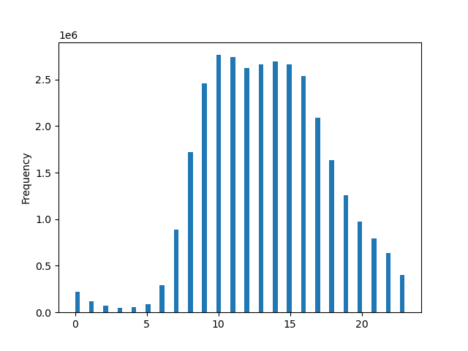

Are there particular times of day when people spend the most money?

Sales are higher on Fridays and Saturdays and there is a bit higher activity in the morning

Spending by Hour of the day |  |  | Spending by day of the week


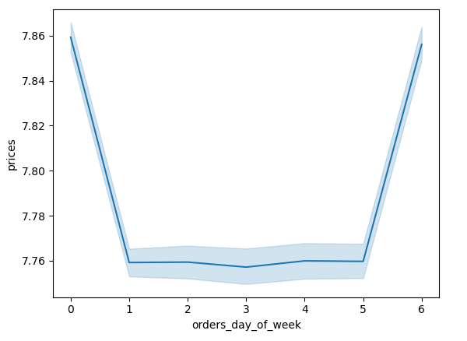

Are there certain products that are more popular than others?

Produce, Dairy/eggs, snacks, and beverages are the biggest sellers by department. These products are also leading on regional level and among customer profile.

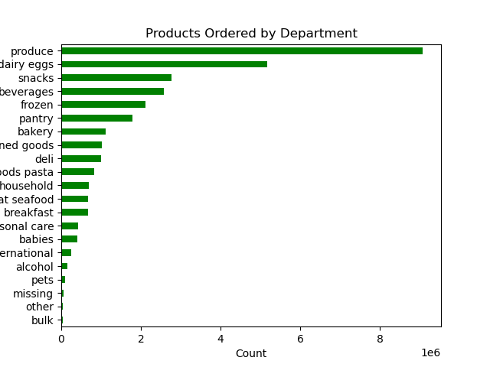
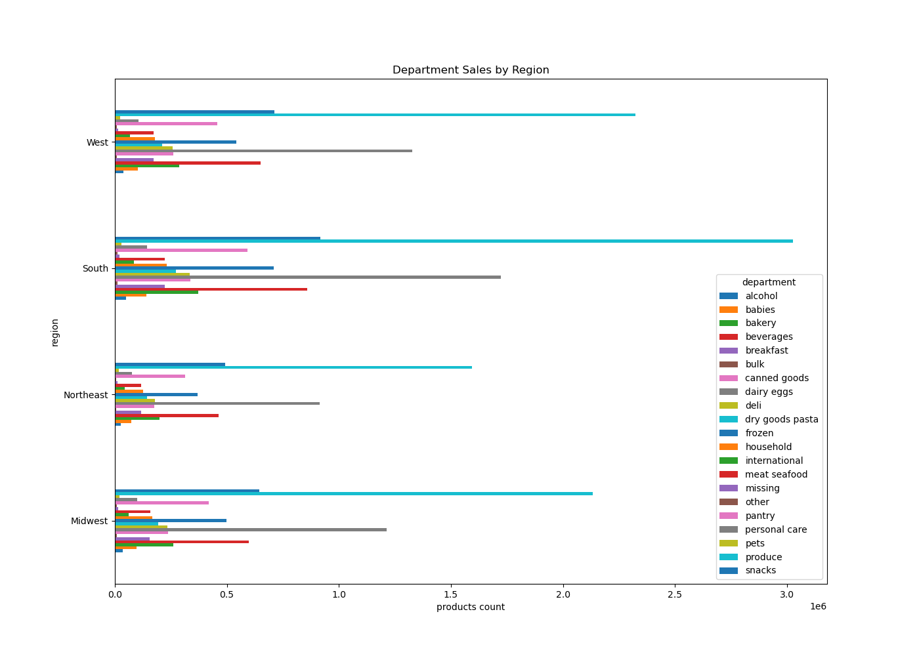

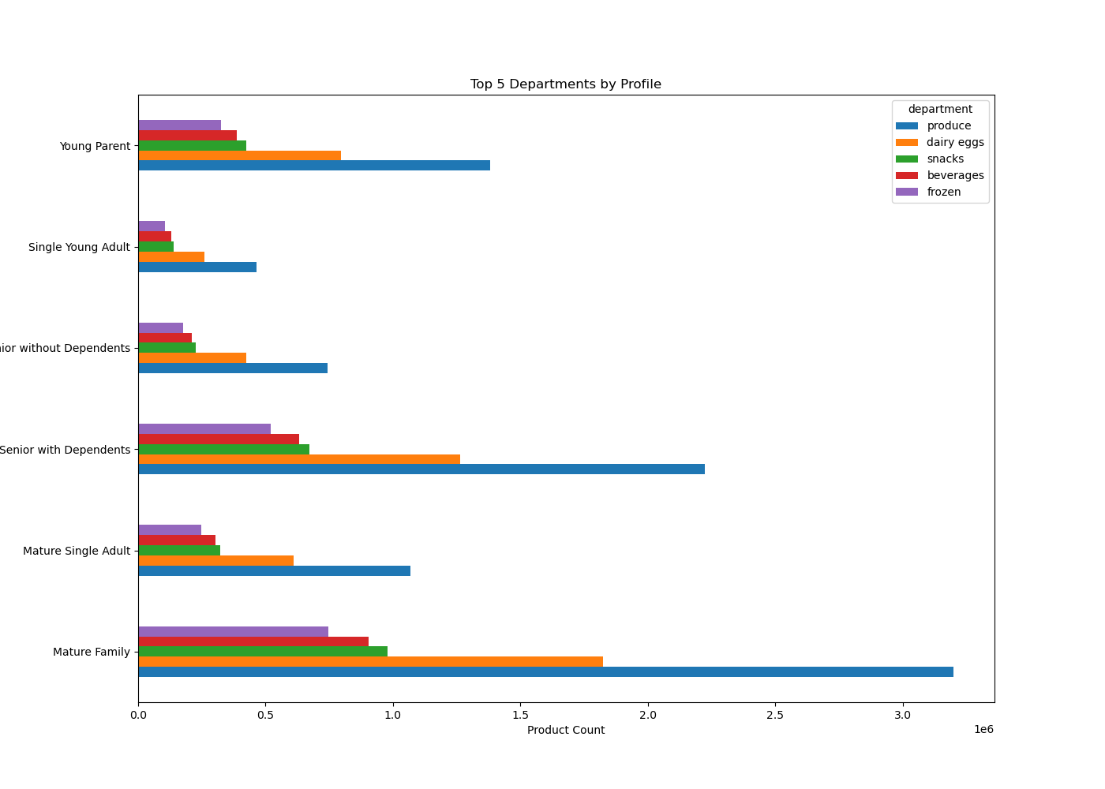

Are there differences in ordering habits based on loyalty status?

Most of the regular customers have medium or high income and many of them are of middle or senior age with dependants

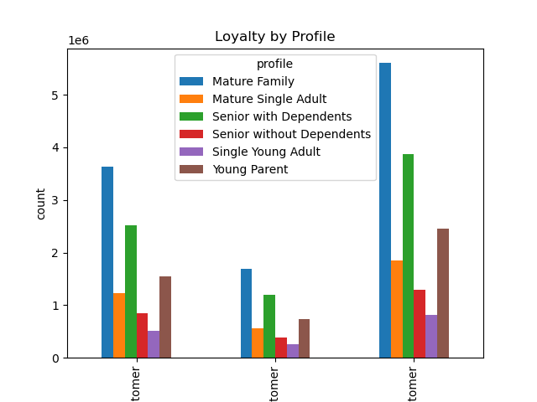
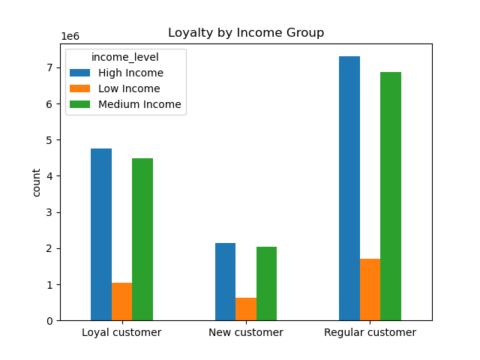

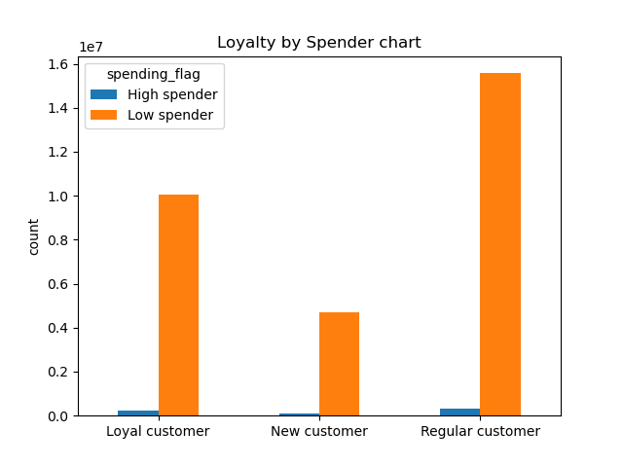
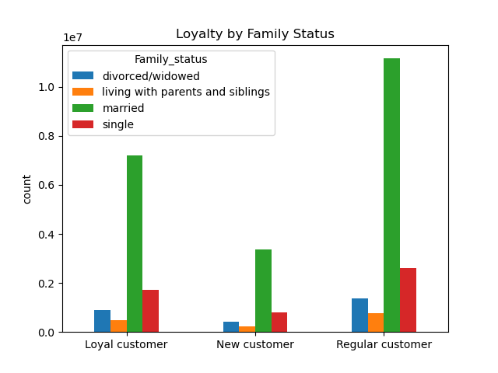
 |  |  |  | Loyalty flag by unique user

Are there differences in ordering habits based on region?

South is is the leading region as per spending, second goes West region.Both have the lasrgest sales in produce snacks and dairy

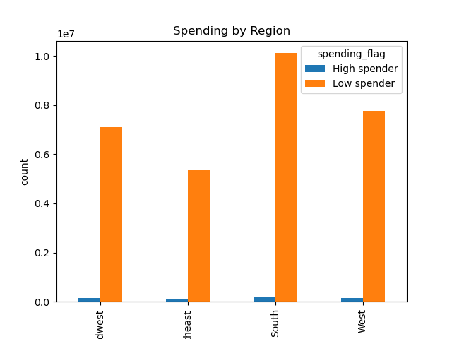

What different classifications does the demographic information suggest? Age? Income? Certain types of goods? Family status??

Most customers are in their middle or senior ages, are married and have dependants.Most of them have medium to high income.
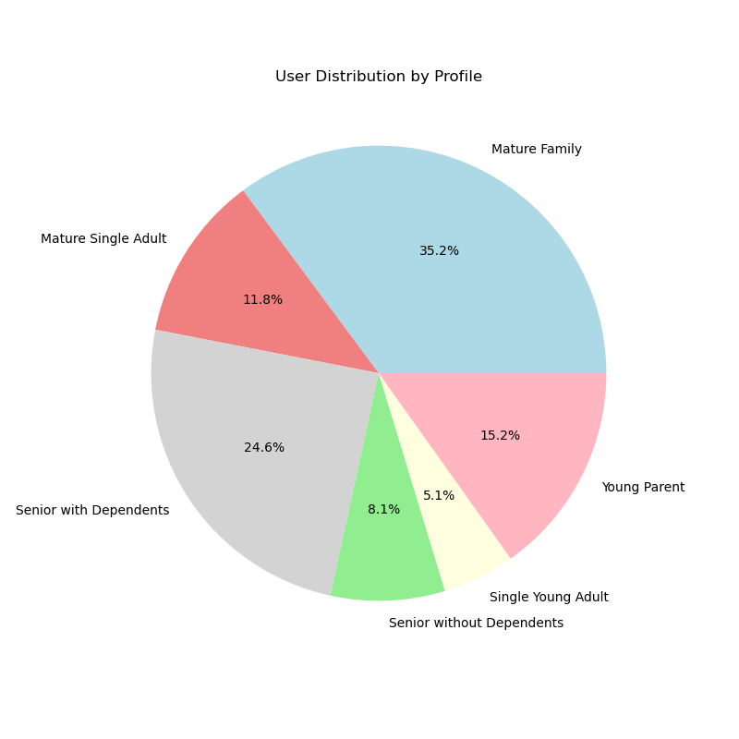

 |  |  | Income distribution by profile

7. Recommendations
 |  |  | Title page

Recommendations

In this tab you should include any recommendations you would made to Instcart in terms of their marketing strategy based on the questions posed in the brief. Every key question has been covered in the Tasks of the Exercises - here you need to add an item - a visualisation or table/crosstable that is showing the answer in the data, acompanied by a comment from you. Please, list the questions below and add the answer underneath.

Question | Answer | Recommendations
What are the busiest days of the week and hours of the day? | Saturday and Sunday are the busiest day of the week. Tuesday and Wednesday are the least bust days of the week. Most orders are between 8am and 18pm with a peak at 10am to 11am. | Schedule ads on Tuesdays and Wednesdays to maximize visibility during the least busy shopping days. Schedule ads during early mornings and late evenings to boost engagement and drive traffic during off-peak shopping hours.
Are there particular times of day when people spend the most money? | Sales are higher on Fridays and Saturdays and there is a bit higher activity in the morning | Focus advertising high-value products on Friday and Saturday mornings to capitalize on peak spending periods.
Are there certain products that are more popular than others? | Produce, Dairy/eggs, snacks, and beverages are the biggest sellers by department. These products are also leading on regional level and among customer profile. | Sales teams can prioritize efforts on top-selling departments like produce, dairy/eggs, snacks, and beverages, ensuring they focus on items with the highest turnover. Offer targeted discounts to boost sales in less popular categories like alcohol and bulk items.
Are there differences in ordering habits based on loyalty status? | Most of the regular customers have medium or high income and many of them are of middle or senior age with dependants.Most customers are considered to be low spenders. | Focus marketing efforts on converting low spenders into higher spenders through personalized promotions, loyalty rewards, and tailored offerings, especially targeting middle-aged and senior customers with dependents who have medium or high income.
Are there differences in ordering habits based on region? | South is is the leading region as per spending, second goes West region.Both have the lasrgest sales in produce snacks and dairy | Focus promotions on the South and West regions to leverage their higher spending, while also introducing targeted promotions in other regions to stimulate sales and increase market share across all areas.
Is there a connection between age and family status and ordering habits? What different classifications does the demographic information suggest? Age? Income? Certain types of goods? Family status?? | Most customers are in their middle or senior ages, are married and have dependants. Most of them have medium to high income. | Focus marketing efforts on middle-aged to senior customers with dependents, particularly those in medium to high-income brackets. Tailor product offerings to their preferences, such as family-oriented goods, and consider emphasizing products that align with their needs and purchasing habits, like household and convenience items.
What differences can you find in ordering habits of different customer profiles? Consider the price of orders, the frequency of orders, the products customers are ordering. | The ordering habits of different customer profiles reveal that middle-aged, middle to high-income parents tend to place larger, more frequent orders, likely due to larger households. These customers are more inclined to purchase a wide range of products, especially essentials like produce, dairy, and snacks. | Recommendation: Tailor marketing strategies to target adult to middle-aged parents, focusing on family-oriented products and larger household items. Highlight convenience features, bulk purchasing, and value packs to cater to their buying habits. Consider offering loyalty rewards or promotions for repeat customers in this demographic. Further Analysis Suggestion: Explore the specific types of products that are being ordered by these profiles, as well as their order frequency patterns, to optimize product placements and promotional offers. Additionally, consider conducting an analysis of seasonal trends to further refine marketing campaigns.

